Tabelle1
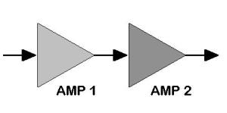

STAGE | BLOCK 1 | BLOCK 2 | BLOCK 3 | ...
NAME | LOWPASS | LNA | LOWPASS
NF [dB] | 0.5 | 1.5 | 0.5
GAIN [dB] | -0.5 | 20 | -0.5
NF [lin] | 1.122 | 1.413 | 1.122
GAIN [lin] | 0.891 | 100.000 | 0.891
CUMUL NF [dB] | 0.5 | 2 | 2.0037
CUMUL GAIN [dB] | -0.5 | 19.5 | 19

DOWNLOADED FROM WWW.CHANGPUAK.CH

