Tabelle1
INPUT PARAMETERS |  |  | CONSTANTS
VCO OUTPUT FREQUENCY | 1,073,741,824 | Hz | T1 | 3.64731E-06 | sec
LOOP BANDWIDTH fp | 15,882 | Hz | T2 | 2.86471E-01 | sec
LOOP REFERENCE FREQUENCY | 4,194,304 | Hz | T3 | 3.79455E-02 | sec
PHASE MARGIN | 50 | deg. | T1+T3 | 3.79491E-02 | sec
CHARGE PUMP | 1.0897 | mA /2π rad | (T1+T3)^2 | 1.44014E-03 | sec^2
VCO GAIN | 30.00 | MHz / V | TAN(φ) | 1.19175
REFERENCE ATTENUATION | 120.00 | dB | ωc | 9.59089E+00 | rad /sec

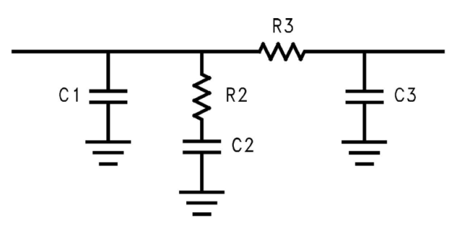
OUTPUT PARAMETERS
PRESCALER | 256
C1 | 48,563,095 | pF
C2 | 3,814,244,892,018 | pF
C3 | 4,856,310 | pF
R2 | 0 | W
R3 | 7,814 | W

DOWNLOADED FROM WWW.CHANGPUAK.CH
DETAILED BACKGROUND SEE "AN ANALYSIS AND PERFORMANCE EVALUATION OF A PASSIVE FILTER DESIGN TECHNIQUE FOR CHARGE PUMP PLL's"
NATIONAL SEMICONDUCTOR, APPLICATION NOTE AN-1001

